Title
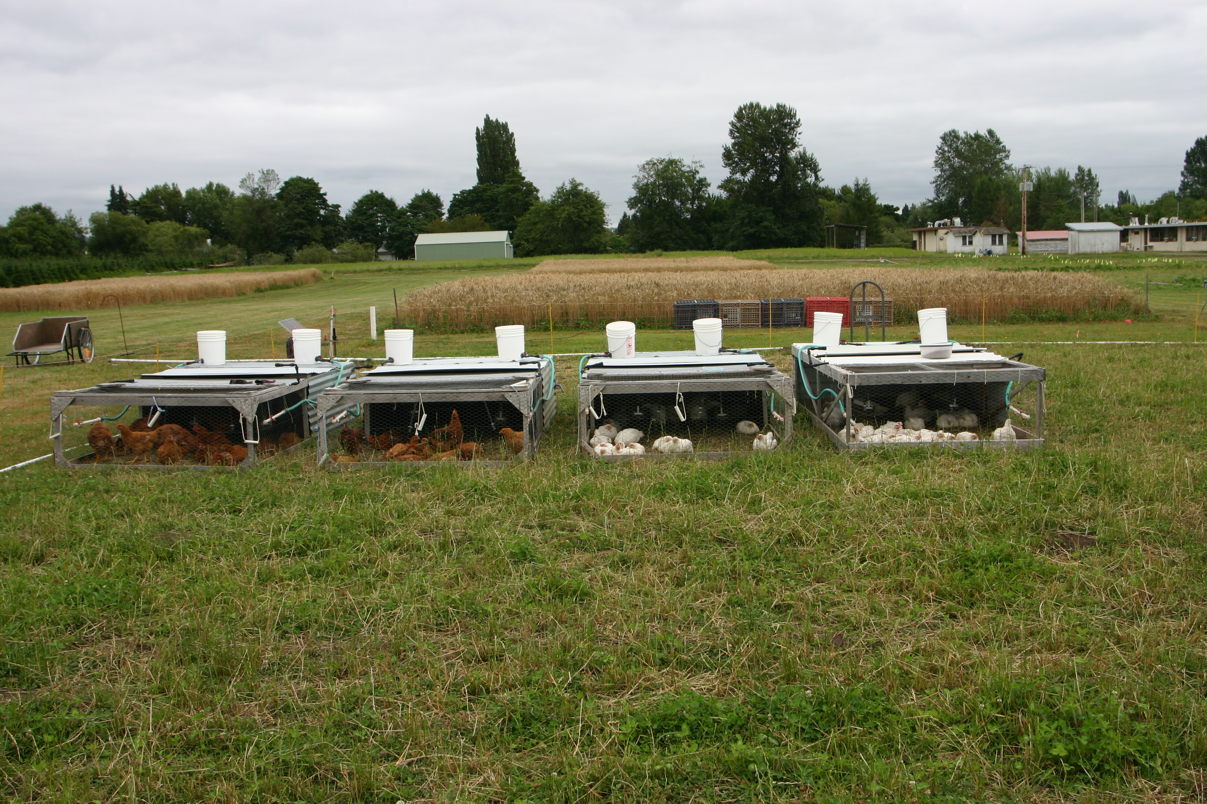

 |  | Photo: Doug Collins
Breakeven Analysis of Small-Scale Production of Pastured Organic Poultry

 | Authors: Kathleen Painter, Elizabeth Myhre, Andy Bary, Craig Cogger, Whitney Jemmett

Summary & Results
Table 1. Feed conversion, age at slaughter, and mortality rates by breed
 | Cornish | Cornish
 | Cornish | Cross Slow

Average feed consumption (lb/chicken) | 17.47 | 19.30
Average weight of broiler, final product (lb/chicken) | 4.71 | 3.50
Feed conversion (lb feed/lb broiler) | 3.71 | 5.51

Age at slaughter (weeks) | 8.17 | 11.00
Mortality rate | 12.00% | 6.67%

Table 2. Costs and Break-Even Returns for Cornish Cross and Slow Cornish Cross
 | Cornish | Cornish
 | Cross | Cross Slow

Weight of broiler, final product (lb) | 4.71 | 3.50
Break-even Price ($/lb) | $5.21 | $7.88
Total Revenue ($/Chicken) | $24.53 | $27.58

Variable Costs ($/Chicken) | $21.83 | $24.95
Fixed Costs ($/Chicken) | $2.70 | $2.63
Total Costs ($/Chicken) | $24.53 | $27.58

Returns over Variable Costs ($/Chicken) | $2.70 | $2.63
Returns over Total Costs ($/Chicken) | $0.00 | $0.00

Red type indicates an input cell. You may change these numbers.

Results
In five years of trials at the WSU Puyallup Experiment station, standard CC broilers were compared to slower maturing meat breeds. Data for five years of CC production are compared to four years of Cornish Cross Slow (CCS) production as a basis for the estimates used in this bulletin. The CCS breed is still a hybrid bred for meat production, but with fewer leg, heart, and heat sensitivity problems. However, CCS broilers take longer to finish and will not attain the same size as the standard CC broilers. In our trials, the CC broilers had an average carcass weight of 4.71 lb at 8.17 weeks compared to the CCS broilers with an average weight of 3.50 lb at 11 weeks (Table 1). For the CC chickens, feed conversion averaged 3.71 lb of feed per pound of finished meat over 5 different years. The CCS chickens required 47% more feed, on average, over 4 years of trials. They averaged 5.51 lb of feed per pound of finished meat. Producers may wish to increase the carcass weight by waiting to butcher until the birds are slightly heavier.
The CCS had lower mortality, averaging 6.67% over four years of trials, and ranging from 1% to 19%. Mortality rates for CC averaged 12.00% over five years, and ranged from 4% to 22%.

Resources
References
Fanatico, Anne. Updated by Betsy Conner, 2010. Meat Chicken Breeds for Pastured Production. ATTRA, National Sustainable Agriculture Information Service, http://www.attra.ncat.org.
Fanatico, Anne and Holly Born. 2002. Label Rouge: Pasture-Based Poultry Production in France. ATTRA, National Sustainable Agriculture Information Service. http://cecentralsierra.ucanr.org/files/122130.pdf
Greene, Catherine. 2013. Growth Patterns in the U.S. Organic Industry. Amber Waves, Oct. 2013. http://www.ers.usda.gov/amber-waves/2013-october/growth-patterns-in-the-us-organic-industry.aspx#.U2f-51dfCjw
Laux, Marsha. 2012. Pastured Poultry Profile (revised). Agricultural Marketing Resource Center, Iowa State University. http://www.agmrc.org/commodities__products/livestock/poultry/pastured-poultry-profile/
Resources
In Season Farms Ltd.
http://inseasonfarms.wordpress.com/
27831 Huntingdon Rd Abbotsford, BC V4X 1B6‎
+1 (604) 857-5781
Mon - Fri: 9:00 am - 5:00 pm
Supplier of certified organic feeds based in British Columbia, Canada, with delivery available to Washington and Oregon.

